DIADORA
DIADORA
PHOTOS | REF | STYLE | GROUP | LINE | COLOR | THEME | DESCR | QTY | RETAIL | TOTAL | GENDER | COL | SKU
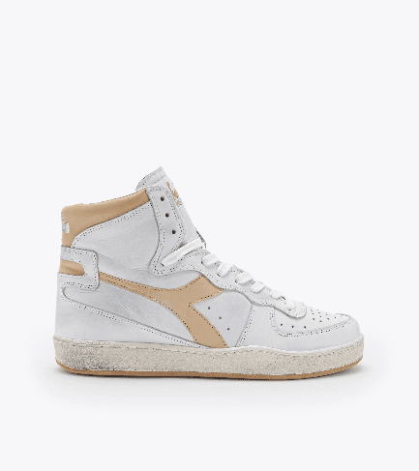 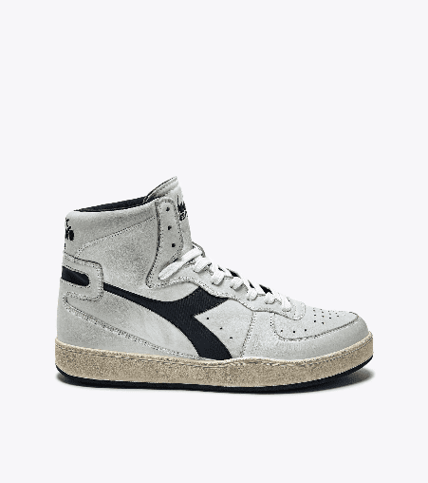 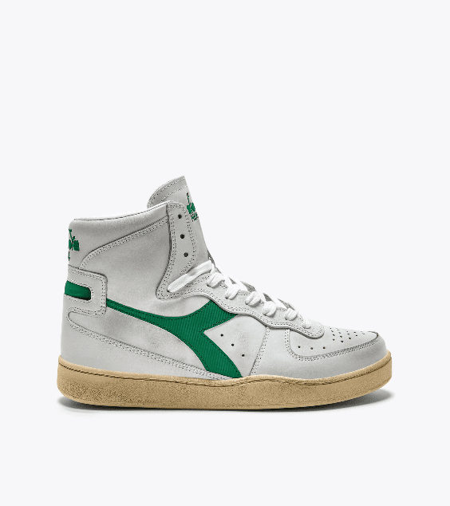 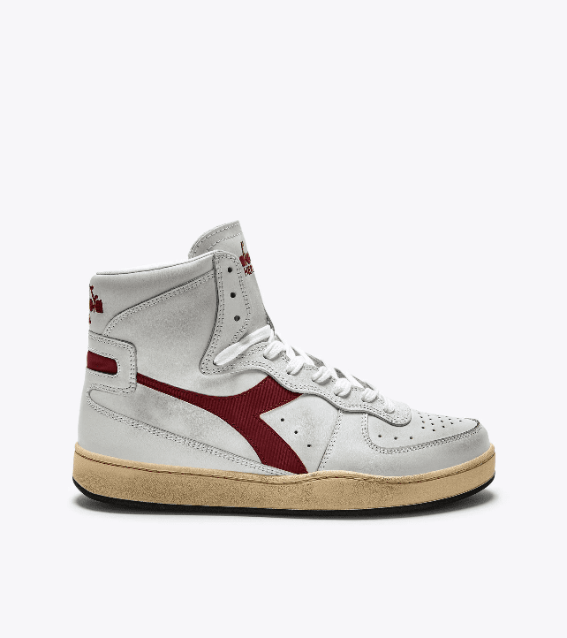 | 201.158569 | Heritage | LifeStyle | LHER Lifestyle Heritage | BIANCO/BLU BELLO | 1MHR T1 M - Heritage | MI BASKET USED | 59 | 200.00 € | 11,800.00 € | U Unisex uomo-donna | C0803 | 201.158569 C0803
 |  |  |  |  | BIANCO/BEIGE |  |  | 53 | 200.00 € | 10,600.00 € |  | C1354 | 201.158569 C1354
 |  |  |  |  | BIANCO/BLU GAGLIARDETTO |  |  | 28 | 200.00 € | 5,600.00 € |  | C3130 | 201.158569 C3130
 |  |  |  |  | BIANCO/GRIGIO GRATTACIELO |  |  | 21 | 200.00 € | 4,200.00 € |  | C4157 | 201.158569 C4157
 |  |  |  |  | BIANCO/ROSA SCIACCA |  |  | 118 | 200.00 € | 23,600.00 € |  | C6287 | 201.158569 C6287
 |  |  |  |  | BIANCO/AZZURRO ACQUAMARINA |  |  | 273 | 200.00 € | 54,600.00 € |  | D0328 | 201.158569 D0328
 |  |  |  |  | BIANCO/GIALLO VANIGLIA |  |  | 194 | 200.00 € | 38,800.00 € |  | D0690 | 201.158569 D0690
 |  |  |  |  | BIANCO/VIOLA LAVANDA FOSCHIA |  |  | 77 | 200.00 € | 15,400.00 € |  | D0693 | 201.158569 D0693
 |  |  |  |  | BIANCO/ROSA PARFAIT |  |  | 165 | 200.00 € | 33,000.00 € |  | D0807 | 201.158569 D0807
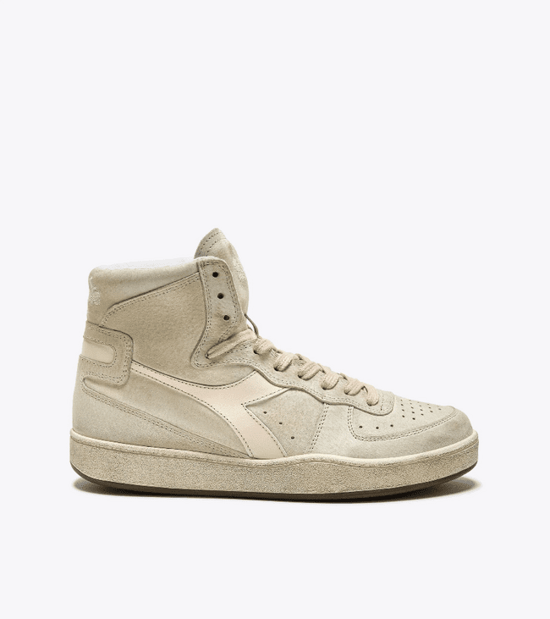 | 201.177898 | Heritage | LifeStyle | LHER Lifestyle Heritage | BEIGE FOG | 1MHR T1 M - Heritage | MI BASKET SUEDE USED | 47 | 230.00 € | 10,810.00 € | AU Adult unisex | 25017 | 201.177898 25017
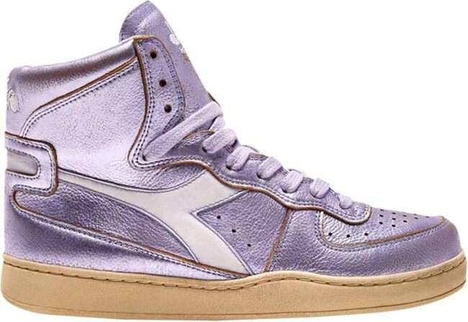 | 201.178539 | Heritage | LifeStyle | LHER Lifestyle Heritage | VIOLA ERICA (55253) | 1MHR T1 M - Heritage | MI BASKET METAL USED | 50 | 230.00 € | 11,500.00 € | AU Adult unisex | 55253 | 201.178539 55253
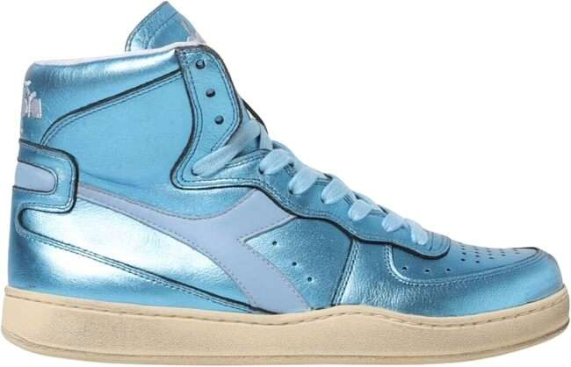 | 201.178539 | Heritage | LifeStyle | LHER Lifestyle Heritage | AZZURRO ARIA | 1MHR T1 M - Heritage | MI BASKET METAL USED | 114 | 230.00 € | 26,220.00 € | AU Adult unisex | 65032 | 201.178539 65032
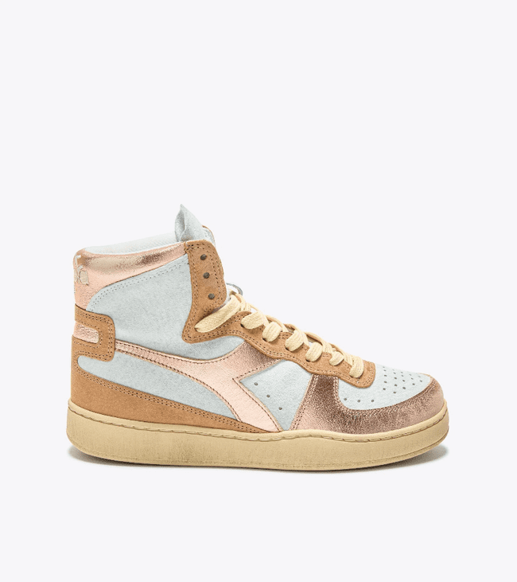 | 201.178889 | Heritage | LifeStyle | LHER Lifestyle Heritage | ROSA APE | 1LHR T1 L - Heritage | MI BASKET METAL PIGSKIN USED WN | 55 | 230.00 € | 12,650.00 € | AW Adult woman | 50029 | 201.178889 50029
 |  |  |  |  | AZZURRO STELLARE |  |  | 83 | 230.00 € | 19,090.00 € |  | 65073 | 201.178889 65073
 |  |  |  |  | VERDE VITICCIO |  |  | 54 | 230.00 € | 12,420.00 € |  | 70278 | 201.178889 70278
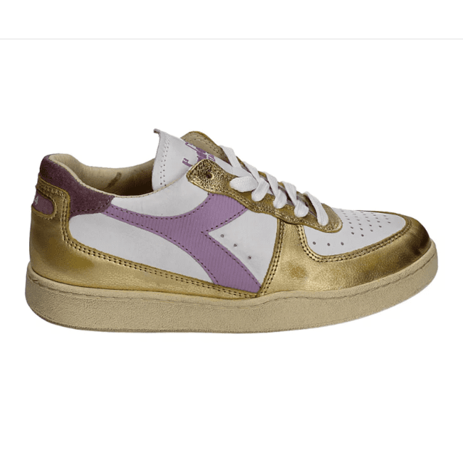 | 201.179034 | Heritage | LifeStyle | LHER Lifestyle Heritage | BEIGE LEGGERO | 1MHR T1 M - Heritage | MI BASKET LOW METALLIC DIRTY | 41 | 220.00 € | 9,020.00 € | AU Adult unisex | 25015 | 201.179034 25015
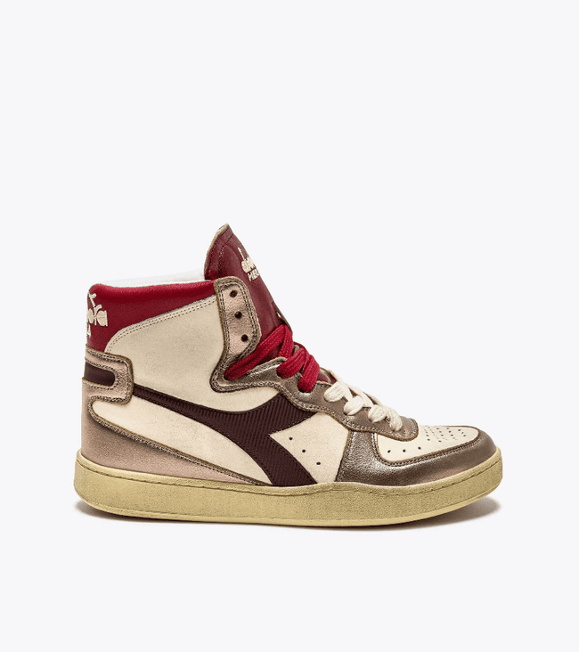 | 201.179037 | Heritage | LifeStyle | LHER Lifestyle Heritage | BEIGE LEGGERO | 1MHR T1 M - Heritage | MI BASKET METAL MIX USED | 52 | 230.00 € | 11,960.00 € | AU Adult unisex | 25015 | 201.179037 25015
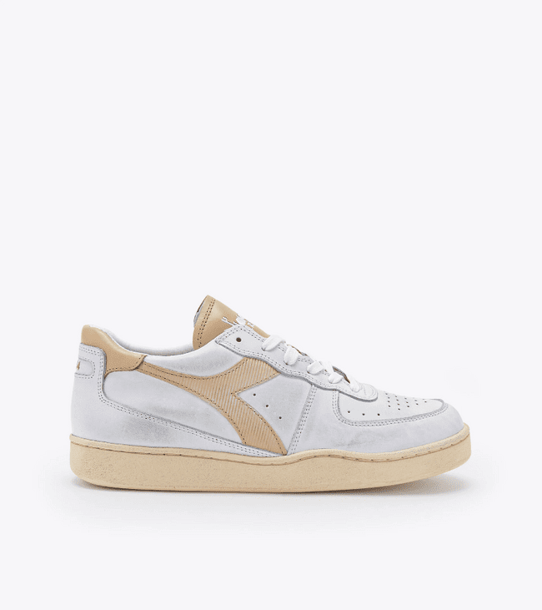 | 201.179043 | Heritage | LifeStyle | LHER Lifestyle Heritage | BIANCO/ROSA PARFAIT | 1MHR T1 M - Heritage | MI BASKET LOW USED | 44 | 190.00 € | 8,360.00 € | AU Adult unisex | D0807 | 201.179043 D0807
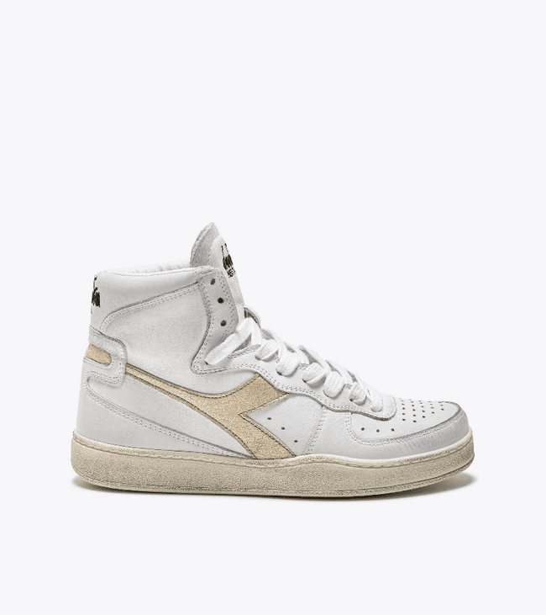 | 201.179440 | Heritage | LifeStyle | LHER Lifestyle Heritage | BIANCO/BEIGE | 1MHR T1 M - Heritage | MI BASKET METALLIC PIGSKIN USED | 34 | 230.00 € | 7,820.00 € | AU Adult unisex | C1354 | 201.179440 C1354
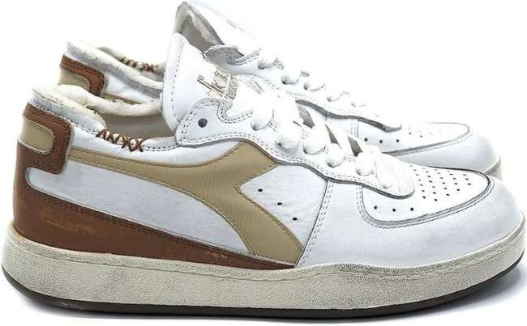 | 201.179535 | Heritage | LifeStyle | LHER Lifestyle Heritage | BIANCO/VIOLA BASTONE ROSSO | 1LHR T1 L - Heritage | MI BASKET LOW METAL PIGSKIN USED WN | 105 | 220.00 € | 23,100.00 € | AW Adult woman | C1252 | 201.179535 C1252
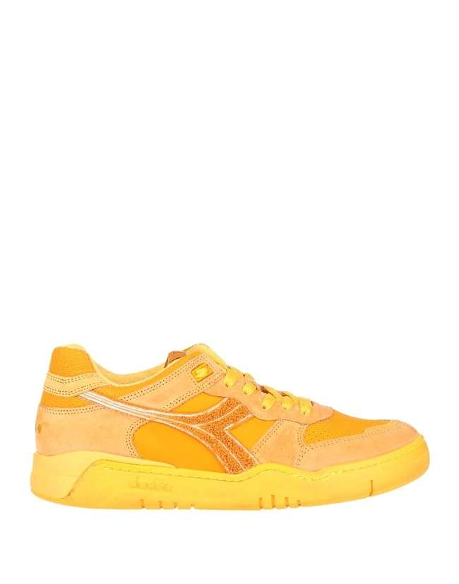 | 201.179693 | Heritage | LifeStyle | LHER Lifestyle Heritage | ARANCIO TORRONCINO | 1MHR T1 M - Heritage | B.560 USED TERRY | 178 | 230.00 € | 40,940.00 € | AU Adult unisex | 40008 | 201.179693 40008
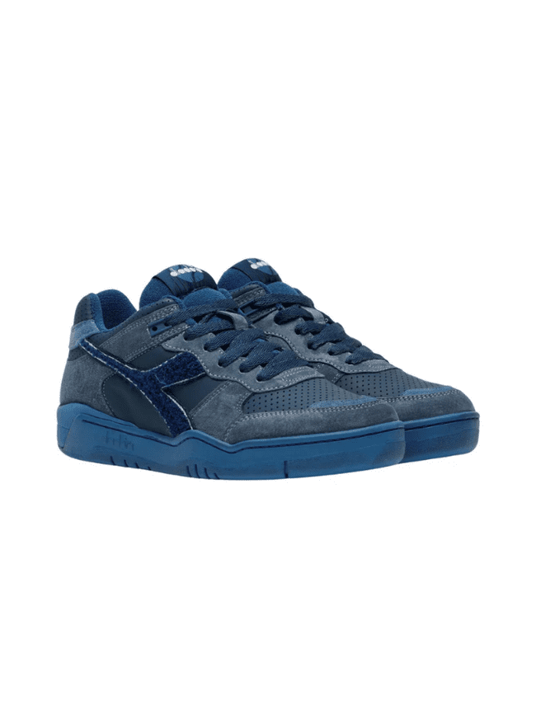 | 201.179693 | Heritage | LifeStyle | LHER Lifestyle Heritage | BLU CENERE | 1MHR T1 M - Heritage | B.560 USED TERRY | 126 | 230.00 € | 28,980.00 € | AU Adult unisex | 60095 | 201.179693 60095
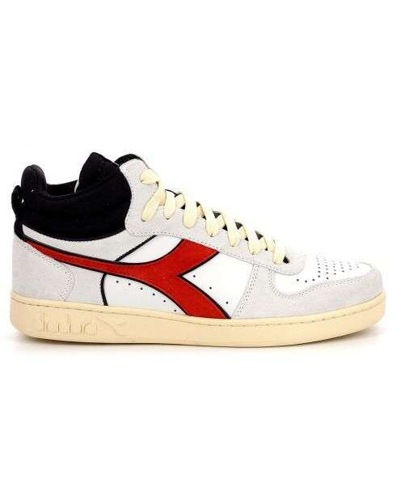 | 201.179702 | Heritage | LifeStyle | LHER Lifestyle Heritage | BIANCO/ROSSO POMPEIANO | 1MHE T1 M - Hi End | MI BASKET PUNCHED ITALIA | 29 | 260.00 € | 7,540.00 € | AU Adult unisex | C1591 | 201.179702 C1591
 |  |  |  |  | BIANCO/BLU BIZANTINO |  |  | 29 | 260.00 € | 7,540.00 € |  | C8585 | 201.179702 C8585
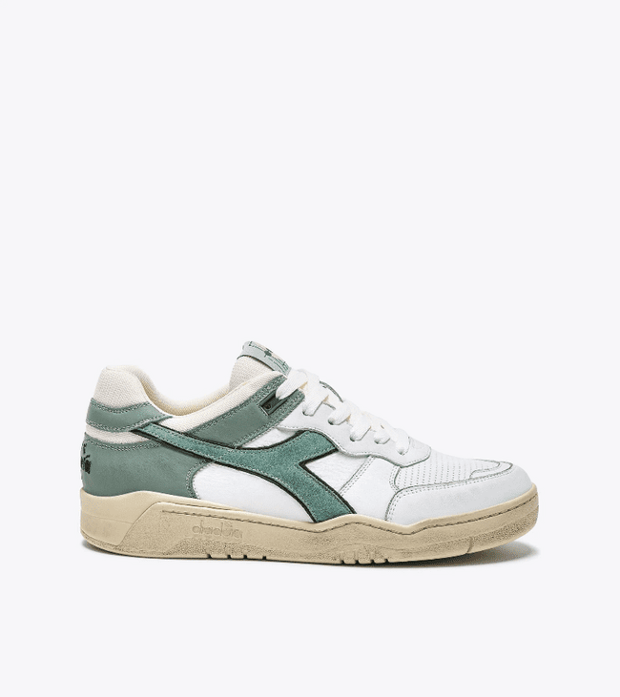 | 201.180117 | Heritage | LifeStyle | LHER Lifestyle Heritage | VERDE ICEBERG | 1MHR T1 M - Heritage | B.560 USED | 23 | 230.00 € | 5,290.00 € | AU Adult unisex | 70139 | 201.180117 70139
 |  |  |  |  | GRIGIO ALLUMINIO/GRIGIO PALOMA |  |  | 27 | 230.00 € | 6,210.00 € |  | C4385 | 201.180117 C4385
 |  |  |  |  | BIANCO/GRIGIO LUNA |  |  | 49 | 230.00 € | 11,270.00 € |  | D0820 | 201.180117 D0820
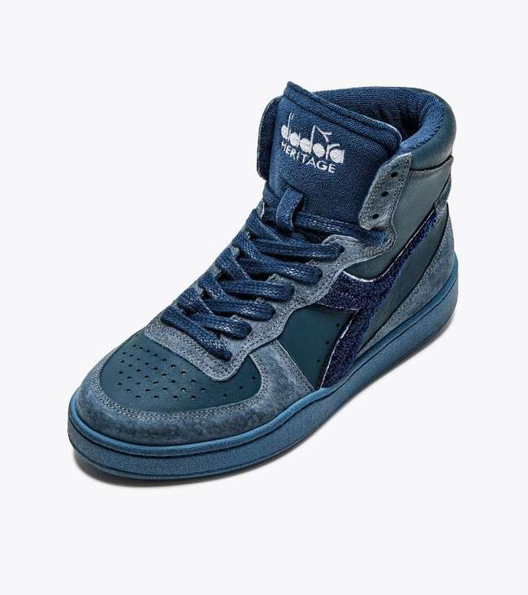 | 201.180205 | Heritage | LifeStyle | LHER Lifestyle Heritage | BLU CENERE | 1MHR T1 M - Heritage | MI BASKET USED TERRY | 302 | 240.00 € | 72,480.00 € | AU Adult unisex | 60095 | 201.180205 60095
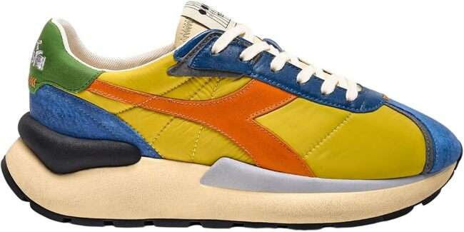 | 201.180469 | Heritage | LifeStyle | LHER Lifestyle Heritage | GIALLO VECCHIO ORO | 1MHR T1 M - Heritage | MERCURY ELITE | 14 | 210.00 € | 2,940.00 € | AU Adult unisex | 35042 | 201.180469 35042
 |  |  |  |  | BLU REGISTA |  |  | 9 | 210.00 € | 1,890.00 € |  | 60011 | 201.180469 60011
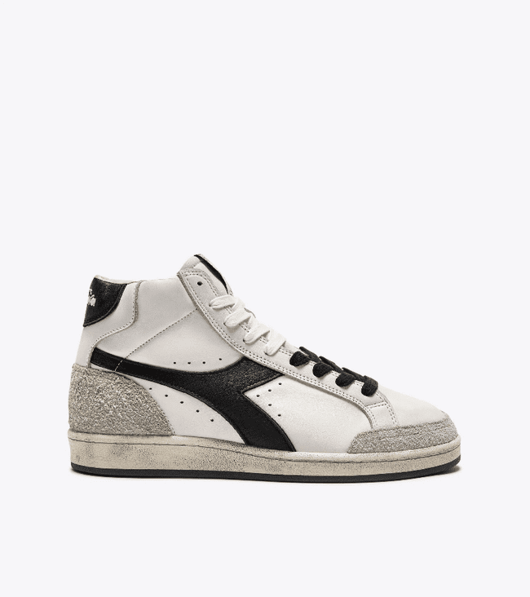 | 201.180471 | Heritage | LifeStyle | LHER Lifestyle Heritage | BIANCO | 1MHE T1 M - Hi End | MI BASKET PIVOT ITALIA | 52 | 260.00 € | 13,520.00 € | AU Adult unisex | 20006 | 201.180471 20006
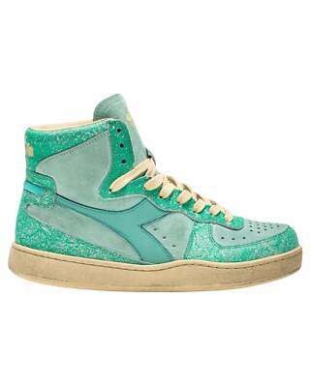 | 201.180474 | Heritage | LifeStyle | LHER Lifestyle Heritage | VERDE GHIACCIO | 1LHR T1 L - Heritage | MI BASKET BLUSH WN | 45 | 230.00 € | 10,350.00 € | AW Adult woman | 70110 | 201.180474 70110
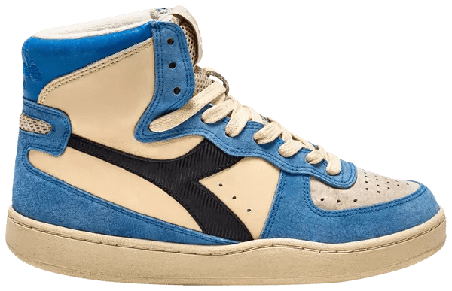 | 201.180475 | Heritage | LifeStyle | LHER Lifestyle Heritage | AZZURRO MALIBU (65107) | 1MHE T1 M - Hi End | MI BASKET PODIO ITALIA | 61 | 260.00 € | 15,860.00 € | AU Adult unisex | 65107 | 201.180475 65107
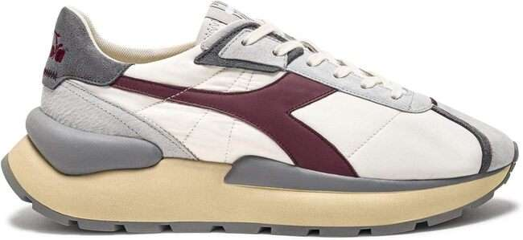 | 201.180476 | Heritage | LifeStyle | LHER Lifestyle Heritage | BIANCO/ROSSO TIBETANO | 1MHE T1 M - Hi End | MERCURY ELITE PALMARES SW ITALIA | 43 | 230.00 € | 9,890.00 € | AU Adult unisex | C4620 | 201.180476 C4620
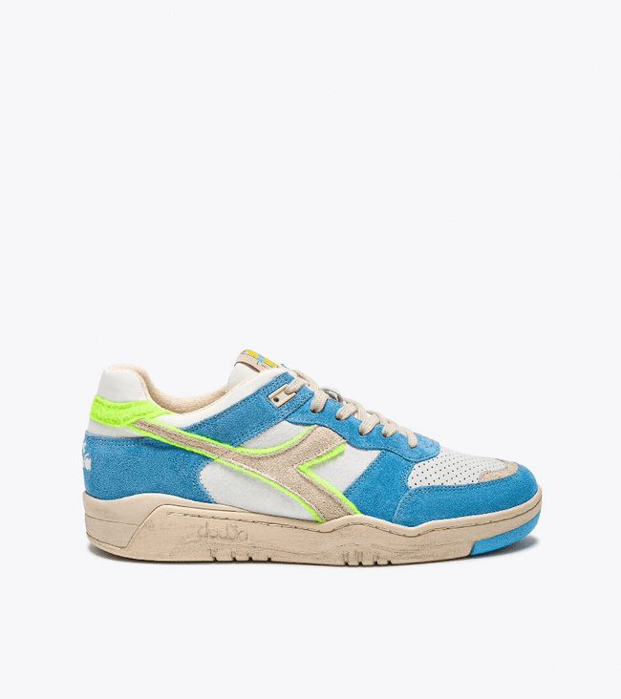 | 201.180479 | Heritage | LifeStyle | LHER Lifestyle Heritage | BIANCO/BLU BELLO | 1MHE T1 M - Hi End | B.560 USED AA ITALIA | 43 | 260.00 € | 11,180.00 € | AU Adult unisex | C0803 | 201.180479 C0803
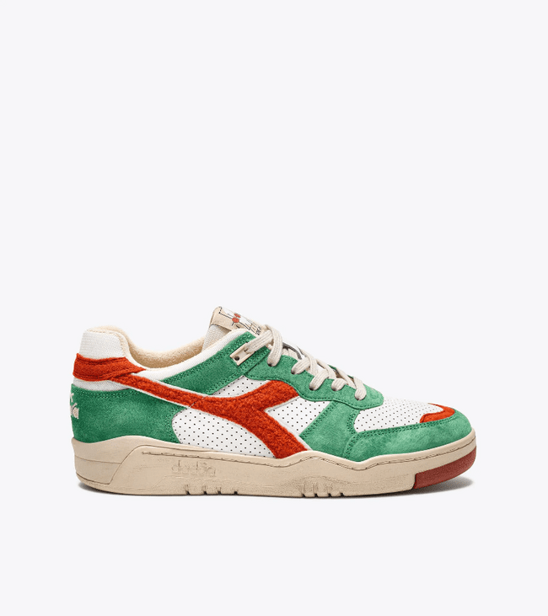 | 201.180481 | Heritage | LifeStyle | LHER Lifestyle Heritage | MARRONE COTTO (30095) | 1MHE T1 M - Hi End | B.560 USED RR ITALIA | 46 | 260.00 € | 11,960.00 € | AU Adult unisex | 30095 | 201.180481 30095
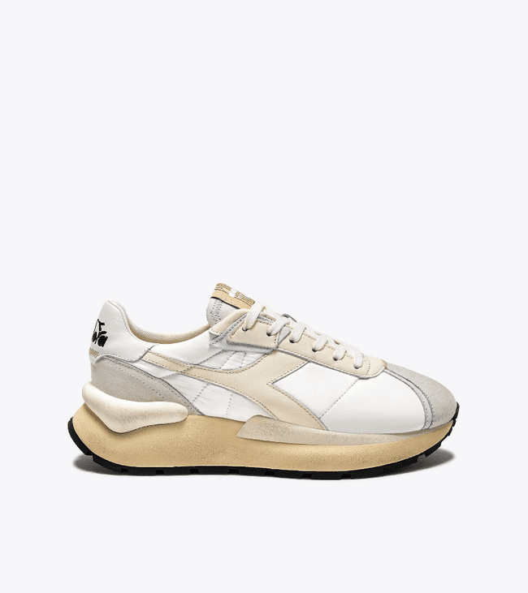 | 201.180488 | Heritage | LifeStyle | LHER Lifestyle Heritage | ANTRACITE EBANO/ROSA PARADISO | 1LHR T1 L - Heritage | MERCURY ELITE FADED WN | 63 | 210.00 € | 13,230.00 € | AW Adult woman | C0279 | 201.180488 C0279
 |  |  |  |  | VERDE DOLCE LIME/VIOLA DOLCE L |  |  | 27 | 210.00 € | 5,670.00 € |  | D0858 | 201.180488 D0858
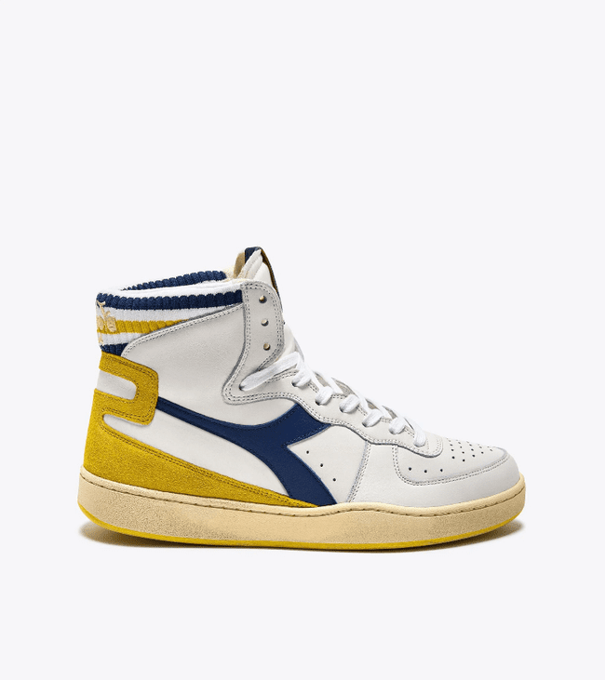 | 201.180900 | Heritage | LifeStyle | LHER Lifestyle Heritage | BIANCO | 1MHE T1 M - Hi End | MI BASKET FORTY KNIT ITALIA | 53 | 260.00 € | 13,780.00 € | AU Adult unisex | 20006 | 201.180900 20006
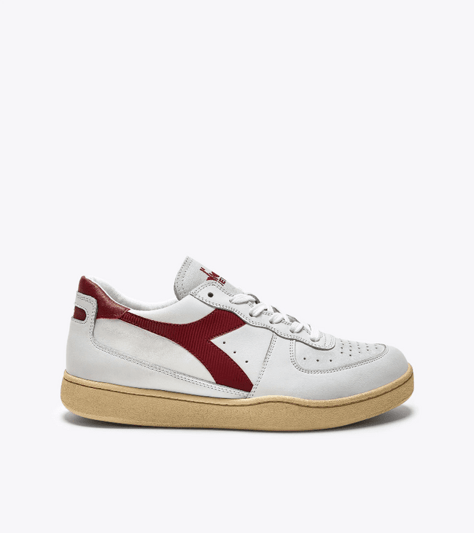 | 201.180905 | Heritage | LifeStyle | LHER Lifestyle Heritage | BEIGE BETULLA | 1LHR T1 L - Heritage | MI BASKET LOW ARCTIC WN | 59 | 220.00 € | 12,980.00 € | AW Adult woman | 25003 | 201.180905 25003
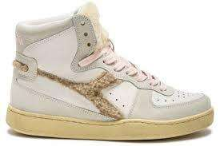 | 201.180906 | Heritage | LifeStyle | LHER Lifestyle Heritage | BIANCO | 1LHR T1 L - Heritage | MI BASKET CHALET WN | 45 | 230.00 € | 10,350.00 € | AW Adult woman | 20006 | 201.180906 20006
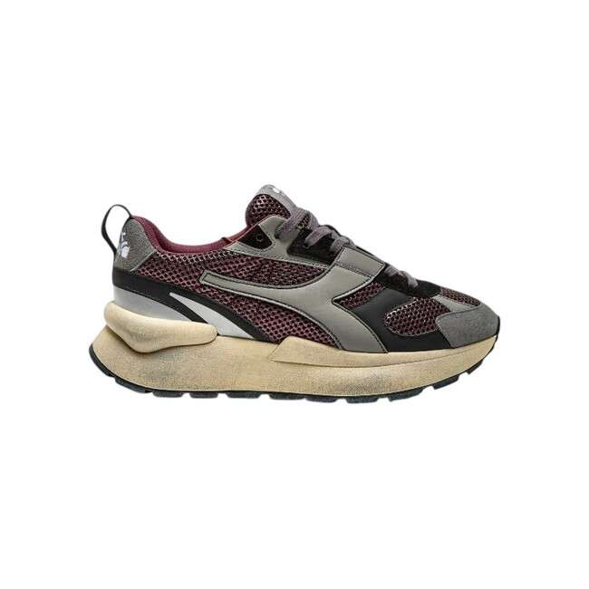 | 201.180909 | Heritage | LifeStyle | LHER Lifestyle Heritage | VIOLA VINO DI PRUGNE | 1LHR T1 L - Heritage | MERCURY ELITE URBAN WN | 128 | 230.00 € | 29,440.00 € | AW Adult woman | 55116 | 201.180909 55116
 |  |  |  |  | BIANCO/ORO |  |  | 19 | 230.00 € | 4,370.00 € |  | C1070 | 201.180909 C1070
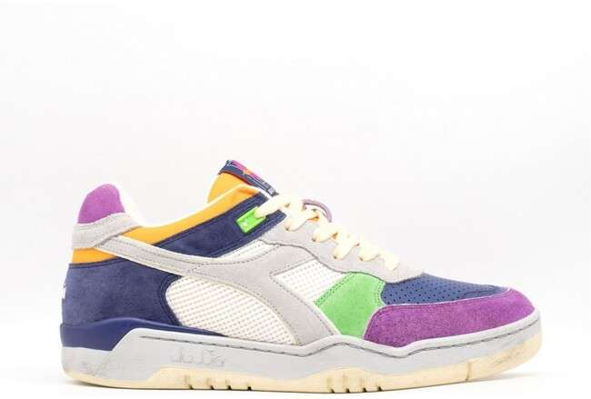 | 201.181002 | Heritage | LifeStyle | LHER Lifestyle Heritage | BIANCO | 1MHE T1 M - Hi End | B.560 TOURNEY ITALIA | 32 | 260.00 € | 8,320.00 € | AU Adult unisex | 20006 | 201.181002 20006
 |  |  |  |  | AVIO |  |  | 29 | 260.00 € | 7,540.00 € |  | 60098 | 201.181002 60098
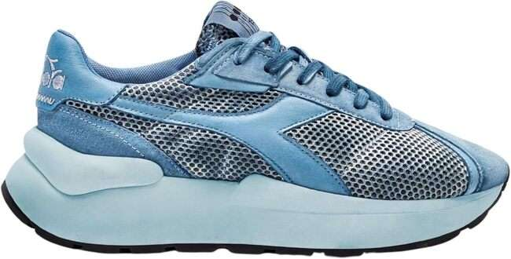 | 201.181011 | Heritage | LifeStyle | LHER Lifestyle Heritage | AZZURRO ARIA | 1LHR T1 L - Heritage | MERCURY ELITE DIP-DYE WN | 31 | 210.00 € | 6,510.00 € | AW Adult woman | 65032 | 201.181011 65032
 |  |  |  |  | VERDE DOLCE LIME/VIOLA DOLCE L |  |  | 37 | 210.00 € | 7,770.00 € |  | D0858 | 201.181011 D0858
 | 201.181038 | Heritage | LifeStyle | LHER Lifestyle Heritage | ROSA PESCA (50185) | 1LHR T1 L - Heritage | B.560 CRACKLE LAME WN | 51 | 230.00 € | 11,730.00 € | AW Adult woman | 50185 | 201.181038 50185
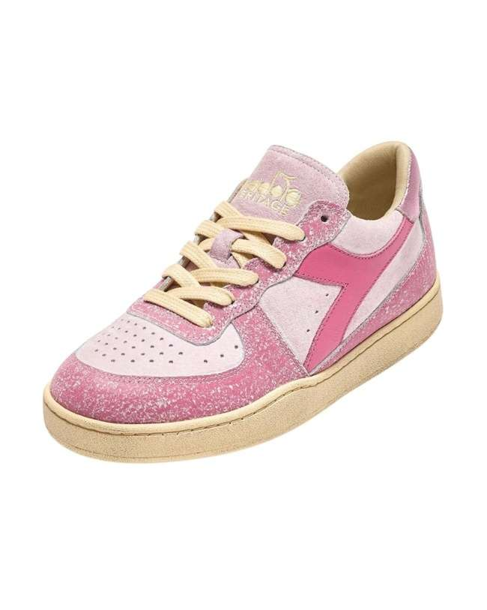 | 201.181039 | Heritage | LifeStyle | LHER Lifestyle Heritage | ROSA ANDROSACE | 1LHR T1 L - Heritage | MI BASKET LOW BLUSH WN | 48 | 220.00 € | 10,560.00 € | AW Adult woman | 50164 | 201.181039 50164
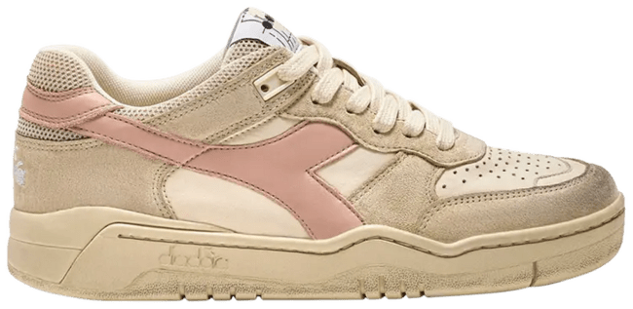 | 201.181040 | Heritage | LifeStyle | LHER Lifestyle Heritage | BEIGE LEGGERO | 1MHR T1 M - Heritage | B.560 PIGSKIN USED | 31 | 240.00 € | 7,440.00 € | AU Adult unisex | 25015 | 201.181040 25015
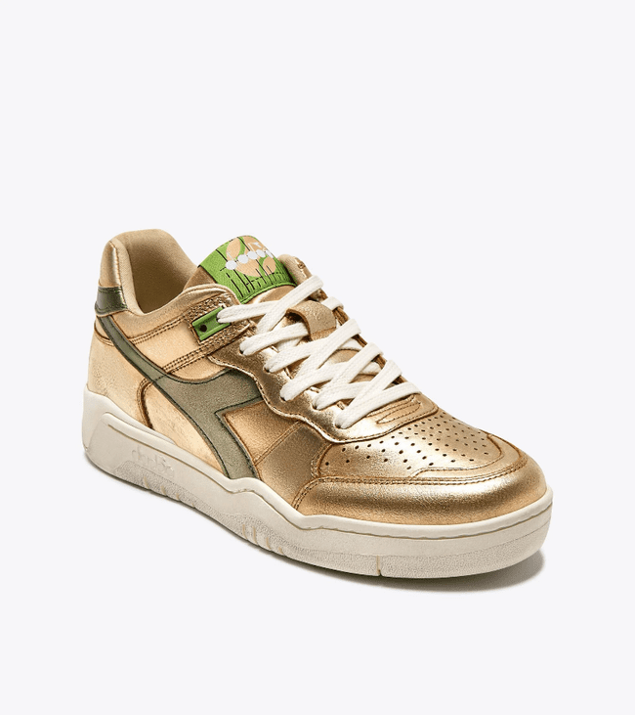 | 201.181204 | Heritage | LifeStyle | LHER Lifestyle Heritage | BEIGE | 1LHR T1 L - Heritage | B.560 METALLIC WN | 153 | 230.00 € | 35,190.00 € | AW Adult woman | 25059 | 201.181204 25059
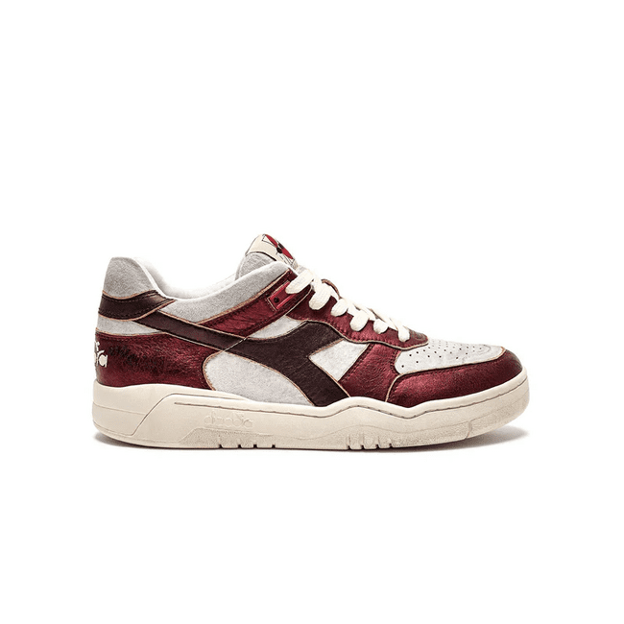 | 201.181205 | Heritage | LifeStyle | LHER Lifestyle Heritage | BIANCO/ROSSO MELA COTTA | 1LAH T1 L - Add.BusinessH | B.560 METAL PIGSKIN WN | 45 | 230.00 € | 10,350.00 € | AW Adult woman | C8460 | 201.181205 C8460
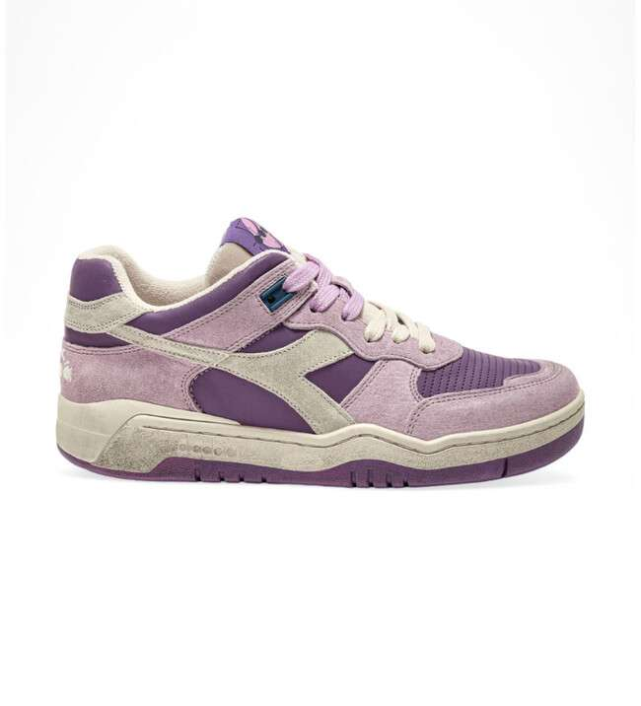 | 201.181299 | Heritage | LifeStyle | LHER Lifestyle Heritage | VIOLA LAVANDA FREDDA | 1LHR T1 L - Heritage | B.560 PROVENCE WN | 50 | 230.00 € | 11,500.00 € | AW Adult woman | 55193 | 201.181299 55193
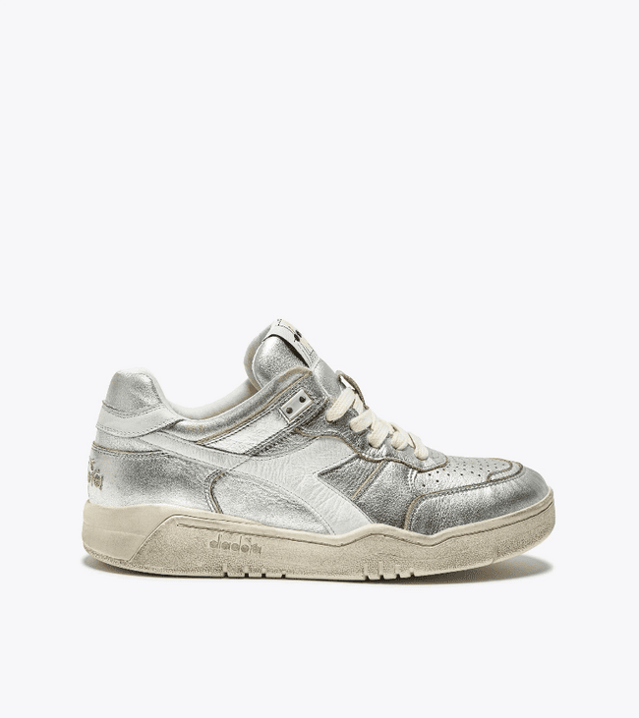 | 201.181320 | Heritage | LifeStyle | LHER Lifestyle Heritage | BIANCO SOSPIRO | 1LHR T1 L - Heritage | B.560 METAL WN | 68 | 230.00 € | 15,640.00 € | AW Adult woman | 20009 | 201.181320 20009
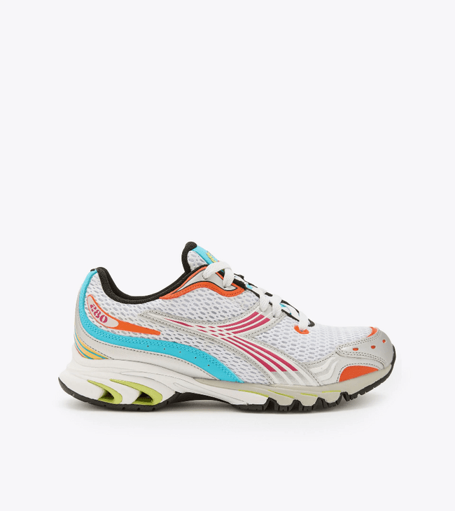 | 501.179259 | Sportswear | LifeStyle | LSPW Lifestyle Sportswear | BCO/ROSA CABARET/VERDE DAIQUIR | 1MPO T1 M Sportswear | MYTHOS PROPULSION 280 M2 | 137 | 170.00 € | 23,290.00 € | AU Adult unisex | D0194 | 501.179259 D0194
TOTAL DIADORA |  |  |  |  |  |  |  | 3,849 | 221.89 € | 854,050.00 €

